Table 22
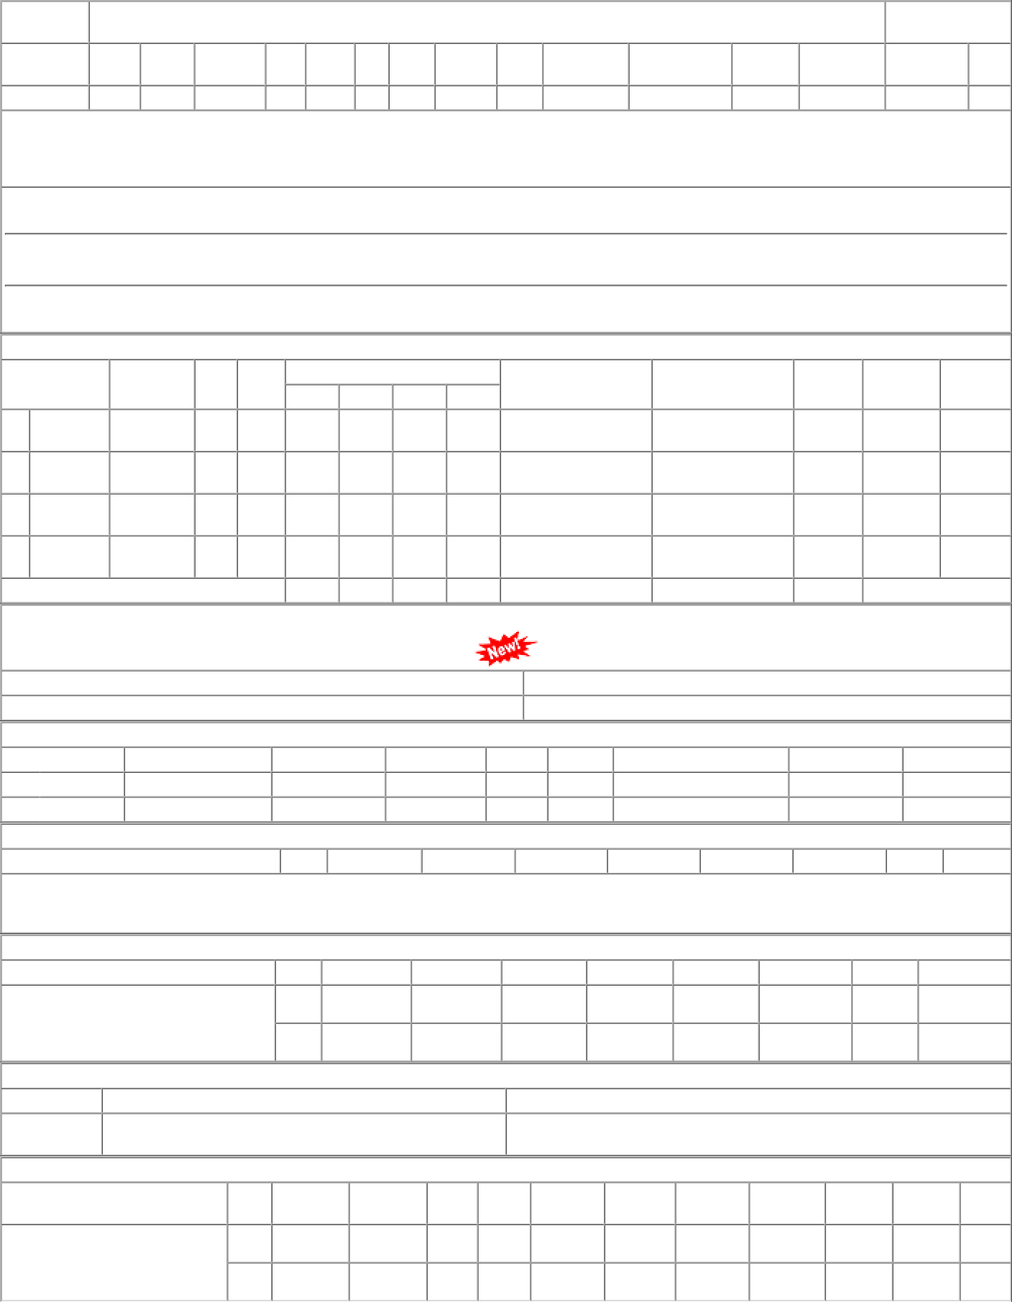
P.O.No.03222808103887 dt.24/07/22 on M/s.K S SOLUTION-HOOGHLY PO- CAT:[ Reg ] | 001 002 | PL-CR BVPW | 102.66 102.66 | 90 Nos. 0 100 Nos. 0 | 90 0 0 100 | 23/09/22 23/09/22 | 25/07/22 15/11/22 OP 25/07/22 15/11/22 OP

